Types of Joins
Types of Joins

Basketball player | Age |  | Basketball player | Salary ($m)
Giannis Antetokounmpo | 23 |  | Giannis Antetokounmpo | 2.99
Stephen Curry | 29 |  | Stephen Curry | 34.68
Lebron James | 33 |  | Kyrie Irving | 17.64

Left Join
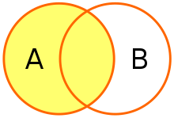
Basketball player | Age | Salary ($m)
Giannis Antetokounmpo | 23 | 2.99
Stephen Curry | 29 | 34.68
Lebron James | 33 | null

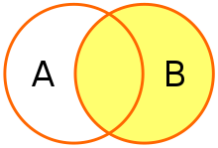
Right Join

Basketball player | Age | Salary ($m)
Giannis Antetokounmpo | 23 | 2.99
Stephen Curry | 29 | 34.68
Kyrie Irving | null | 17.64

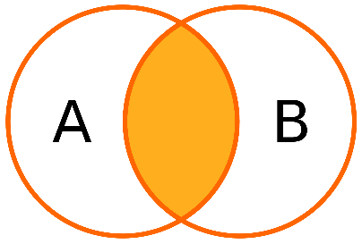
Inner Join

Basketball player | Age | Salary ($m)
Giannis Antetokounmpo | 23 | 2.99
Stephen Curry | 29 | 34.68

Outer
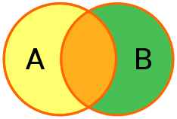
Basketball player | Age | Salary ($m)
Giannis Antetokounmpo | 23 | 2.99
Stephen Curry | 29 | 34.68
Lebron James | 33 | null
Kyrie Irving | null | 17.64

